Notes
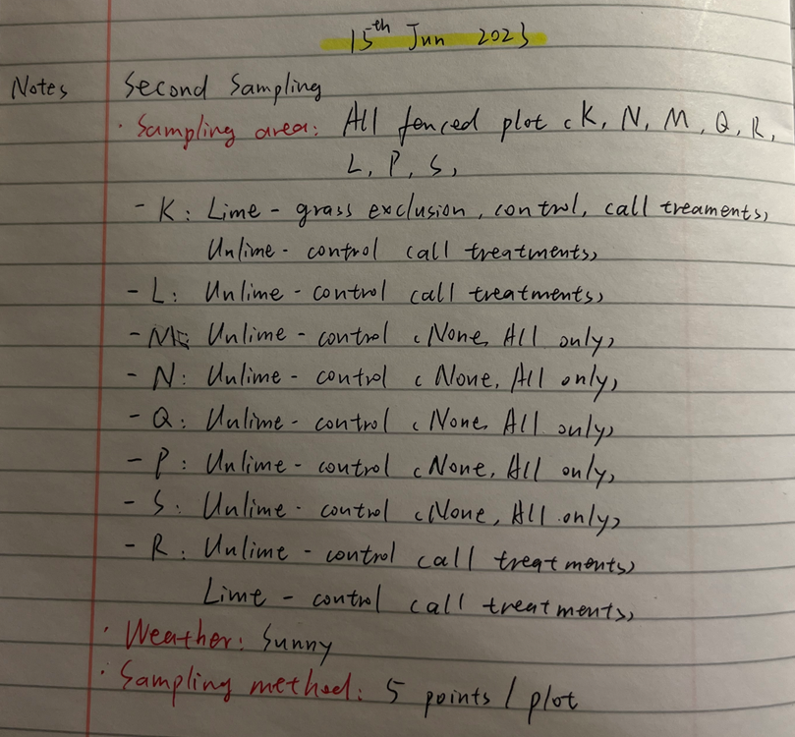
Sampling area | All fenced plots
Sampling time | 2023.06.15
Weather | Sunny

Validation_Ramesh
 | CC_May2023 | Plant height (cm) | SAVI | MSAVI | EVI | SAVI Predicted CC | MSAVI Predicted CC | MSAVI Predicted CC | EVI Predicted CC
S | 138.139464 | 70 | 0.54964613922 | 0.56445945177 | 0.59402719271 | 126.94015469 | 4.9092010099 | 135.53108314 | 127.85599393
L | 154.65344533 | 100 | 0.57010834927 | 0.59352785164 | 0.61939549216 | 149.67594363 | 5.0478199888 | 155.68270424 | 148.99624347
Q | 157.499792 | 100 | 0.59374026783 | 0.62558921489 | 0.65199548579 | 175.93363092 | 5.2007115636 | 181.40127451 | 176.16290483
K | 166.46080289 | 50 | 0.55156643037 | 0.5722855515 | 0.59507068315 | 129.07381152 | 4.9465214664 | 140.6847352 | 128.72556929
P | 169.395456 | 100 | 0.5737575182 | 0.59817002427 | 0.62599295434 | 153.73057578 | 5.0699571973 | 159.1675144 | 154.49412862
M | 179.80898 | 100 | 0.609375 | 0.65 | 0.67567567568 | 193.30555556 | 5.3171196948 | 203.79604102 | 195.8963964
R | 182.3066 | 40 | 0.5910878791 | 0.62129478654 | 0.64729486177 | 172.98653234 | 5.1802326492 | 177.72415357 | 172.24571814
N | 207.03958 | 100 | 0.61055590256 | 0.65174591775 | 0.67444026633 | 194.61766951 | 5.3254454828 | 205.49988674 | 194.86688861

